List structures
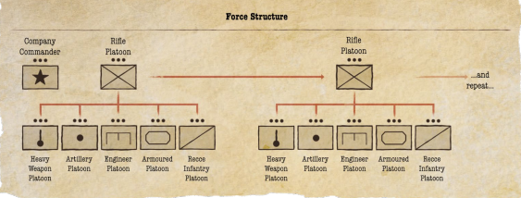
Rifle Platoon

Unit type | Name | Quality | Men | Notes | Cost
Platoon commander
Infantry squad
Infantry squad
Infantry squad
Infantry squad
Infantry squad
Infantry squad
Medic
Forward observer
Sniper
Anti Tank team
Light Mortar
Light Mortar
Transports

Dice | 0 |  |  | Cost | 0

Heavy Weapons Platoon

Unit type | Name | Quality | Men | Notes | Cost
Platoon commander
Machine gun or Mortar team
Machine gun or Mortar team
Mortar team
Mortar team
Mortar team
Machine gun team
Machine gun team
Machine gun team
Anti Tank team
Anti Tank team
Anti Tank team
Transports

Engineer Platoon

Unit type | Name | Quality | Men | Notes | Cost
Platoon commander
Engineer squad
Engineer squad
Engineer squad
Engineer squad
Flamethrower team
Flamethrower team
Flamethrower team
Transports

Artillery Platoon

Unit type | Name | Quality | Men | Notes | Cost
Platoon commander
Artillery
Artillery
Artillery
Artillery
Transports

Dice | 0 |  |  | Cost | 0

Armoured Platoon

Unit type | Name | Quality | Men | Notes | Cost
Command vehicle
Vehicle
Vehicle
Vehicle
Vehicle

Recce Platoon

Unit type | Name | Quality | Men | Notes | Cost
Platoon commander
Infantry squad
Infantry squad
Infantry squad
Infantry squad
Forward observer
Anti Tank team
Transports |  |  |  |  |  | Can take recce special rule for ten points

